About the Author
Edmon Mancao: | Back-end Developer, An Instructor
 | Biography:
 | Edmon Mancao is an enthusiastic programmer, an instructor (Arduino, Rpi, Microbit, Scratch, and mblock), and a web developer. My hobbies are building websites, the Internet of Things, Prototyping, and writing books or anything about additional knowledge for those who want to learn programming. Now, I recently worked at Phoenix Publishing House Inc. located in Quezon City, Philippines. I graduated from Universidad De Manila and I took up the course Bachelor of Science in Computer Engineering, my extertise is more on hardware, electronics, and Software as well. And to teach advance mathematics so that you will apply it in game development and also for logic.



 | Contents:
 |  | LCD Array
 |  | Matrix 1719 Array
 |  | Resistor Color Code Checker
 |  | RPi3 and Rpi4 Pinouts
 |  | RPi Pico and with WiFi
 |  | RPi Sense Hat

 | Contacts:
 |  | Facebook:
 |  | Github:
 |  | LinkedIn:

for Max7219 Array
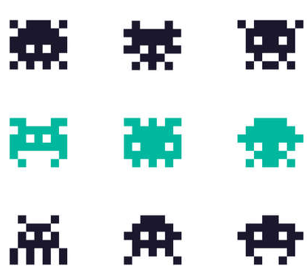
This is for LCD Display Character Design
 |  |  | MAX7219 |  |  |  |  |  |  |  |  | Sample:
 |  |  |  |  |  |  |  |  | Decimal | Hex | Array Items
 | 1 | 0 | 1 | 1 | 1 | 0 | 1 | 0 | 186 | BA | 0xBA,
 | 0 | 1 | 1 | 1 | 1 | 1 | 0 | 0 | 124 | 7C | 0x7C,
 | 1 | 1 | 1 | 1 | 1 | 1 | 1 | 0 | 254 | FE | 0xFE,
 | 1 | 1 | 0 | 1 | 0 | 1 | 1 | 0 | 214 | D6 | 0xD6,
 | 0 | 1 | 1 | 1 | 1 | 1 | 0 | 0 | 124 | 7C | 0x7C,
 | 1 | 0 | 1 | 0 | 1 | 0 | 1 | 0 | 170 | AA | 0xAA,
 | 0 | 0 | 0 | 0 | 0 | 0 | 0 | 0 | 0 | 00 | 0x00,
 | 0 | 0 | 0 | 0 | 0 | 0 | 0 | 0 | 0 | 00 | 0x00

 |  |  | | | | | | | | | |
 |  |  | VCC | GND | DIN | CS | CK

 |  |  | Legend:
 |  |  | VCC | 5 volts DC
 |  |  | GND | Ground
 |  |  | DIN | Data In
 |  |  | CS | Load Pulse
 |  |  | CK | Clock

RPi3 and RPi4
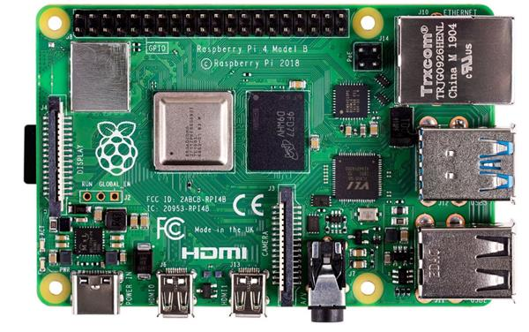
 | The Physical Pins of Rpi 4 and 3
Rpi 4 (new) | Function | BCM | pin No# | pin No# | BCM | Function | Rpi 3 B+
 | 3.3 Volts |  | 1 | 2 |  | 5 Volts
 | GPIO/SDA1 (I2C) | 2 | 3 | 4 |  | 5 Volts
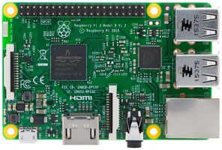
 | GPIO/SCL1 (I2C) | 3 | 5 | 6 |  | GND
 | GPIO/GCLK | 4 | 7 | 8 | 14 | TX UART/GPIO
 | GND |  | 9 | 10 | 15 | RX UART/GPIO
 | GPIO | 17 | 11 | 12 | 18 | GPIO
 | GPIO | 27 | 13 | 14 |  | GND
 | GPIO | 22 | 15 | 16 | 23 | GPIO
 | 3.3 Volts |  | 17 | 18 | 24 | GPIO
 | MOSI (SPI) | 10 | 19 | 20 |  | GND
 | MISO (SPI) | 9 | 21 | 22 | 25 | GPIO
 | SCLK (SPI) | 11 | 23 | 24 | 8 | CE0_N (SPI)
 | GND |  | 25 | 26 | 7 | CE1_N (SPI)
 | RESERVED |  | 27 | 28 |  | RESERVED
 | GPIO | 5 | 29 | 30 |  | GND
 | GPIO | 6 | 31 | 32 | 12 | GPIO
 | GPIO | 13 | 33 | 34 |  | GND
 | GPIO | 19 | 35 | 36 | 16 | GPIO
 | GPIO | 26 | 37 | 38 | 20 | GPIO
 | GND |  | 39 | 40 | 21 | GPIO

Rpi Pico and Pico with Wifi
 |  |  |  |  |  |  | Raspberry Pi Pico Pins Familarization
ARDUINO COMM | ARDUINO | UART | I2C | SPI | POWER / GPIO | Pin no# | 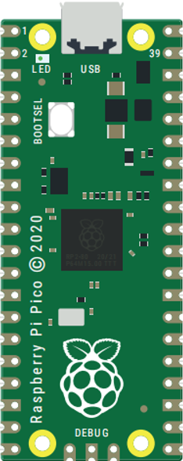 |  |  |  | Pin no# | POWER / CTRL/GPIO | ADC/SPI | I2C | UART | ARDUINO | ARDUINO COMM
 |  | UART0 TX | I2C0 SDA | SPI0 RX | GPIO 0 | 1 |  |  |  |  | 40 | VBUS
 |  | UART0 RX | I2C0 SCL | SPI0 CSn | GPIO 1 | 2 |  |  |  |  | 39 | VSYS
 |  |  |  |  | GND | 3 |  |  |  |  | 38 | GND
 |  |  | I2C1 SDA | SPI0 SCK | GPIO 2 | 4 |  |  |  |  | 37 | 3VE_EN
 |  |  | I2C1 SCL | SPI0 TX | GPIO 3 | 5 |  |  |  |  | 36 | 3V3 (OUT)
 |  | UART1 TX | I2C0 SDA | SPIO RX | GPIO 4 | 6 |  |  |  |  | 35
 |  | UART1 RX | I2C0 SCL | SPI0 CSn | GPIO 5 | 7 |  |  |  |  | 34 | GPIO 28 / A2
 |  |  |  |  | GND | 8 |  |  |  |  | 33 | GND
 |  |  | I2C1 SDA | SPI0 SCK | GPIO 6 | 9 |  |  |  |  | 32 | GPIO 27 / A1
 |  |  | I2C1 SCL | SPI0 TX | GPIO 7 | 10 |  |  |  |  | 31 | GPIO 26 / A0
 |  | UART1 TX | I2C0 SDA | SPI1 RX | GPIO 8 | 11 |  |  |  |  | 30 | RUN
 |  | UART1 RX | I2C0 SCL | SPI1 CSn | GPIO 9 | 12 |  |  |  |  | 29 | GPIO 22
 |  |  |  |  | GND | 13 |  |  |  |  | 28 | GND
 |  |  | I2C1 SDA | SPI1 SCK | GPIO 10 | 14 |  |  |  |  | 27 | GPIO 21
 |  |  | I2C1 SCL | SPI1 TX | GPIO 11 | 15 |  |  |  |  | 26 | GPIO 20
 |  | UART0 TX | I2C0 SDA | SPI1 RX | GPIO 12 | 16 |  |  |  |  | 25 | GPIO 19
 |  | UART0 RX | I2C0 SCL | SPI1 CSn | GPIO 13 | 17 |  |  |  |  | 24 | GPIO 18
 |  |  |  |  | GND | 18 |  |  |  |  | 23 | GND
 |  |  | I2C1 SDA | SPI1 SCK | GPIO 14 | 19 |  |  |  |  | 22 | GPIO 17
 |  |  | I2C1 SCL | SPI1 TX | GPIO 15 | 20 |  |  |  |  | 21 | GPIO 16

 |  |  |  |  |  |  |  |  | / | \
 |  |  |  |  |  |  |  | SWCLK | GND | SWCLK

